Beta
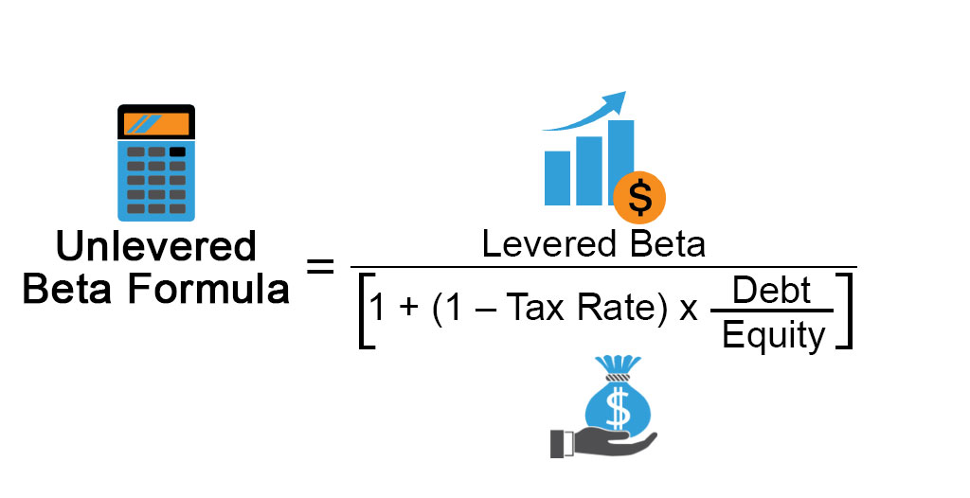
Industry Beta
Global Peers | Ticker | Country | Equity Beta | Tax Rate | Debt [Bn] | Equity [Bn] | D/E | Asset beta
HCA Healthcare | HCA | USA | 1.62 | 21% | 40.7 | 74.5 | 0.55 | 1.13
Universal Health Services | UHS | USA | 1.27 | 21% | 5.2 | 9.56 | 0.54 | 0.89
Tenet Healthcare Corporation | THC | USA | 2.12 | 21% | 15.1 | 7.58 | 1.99 | 0.83
Encompass Health Corporation | EHC | USA | 0.95 | 21% | 2.9 | 7.02 | 0.42 | 0.71
Select Medical Holdings Corporation | SEM | USA | 1.39 | 21% | 5.2 | 3.80 | 1.36 | 0.67

Local Peers | Ticker | Country | Equity Beta | Tax Rate | Debt [Bn] | Equity [Bn] | D/E | Asset beta
Rede D'Or | RDOR3 | Brazil | 0.70 | 34% | 39.20 | 77.9 | 0.50 | 0.53
Kora Saúde | KRSA3 | Brazil | 0.48 | 34% | 2.4 | 8.6 | 0.28 | 0.41
Fleury | FLRY3 | Brazil | 0.57 | 34% | 3.7 | 5.3 | 0.69 | 0.39
Hospital Mater Dei | MATD3 | Brazil | 0.32 | 34% | 2.0 | 4.0 | 0.49 | 0.24
Alliar | AALR3 | Brazil | 0.72 | 34% | 1.3 | 2.7 | 0.50 | 0.54
Oncoclínicas | ONCO3 | Brazil | 1.21 | 34% | 3.8 | 6.2 | 0.62 | 0.86

Median |  |  | 0.95 | 0.34 | 3.85 | 7.02 | 0.54 | 0.67
Average |  |  | 1.03 | 0.28 | 11.05 | 18.83 | 0.72 | 0.65

Diferentemente do que feito em aula, optei por utilizar o beta estatístico, ou seja, obtido a partir de uma regressão linear, utilizando as ferramentas disponíveis do Python. O código está disponível em meu GitHub:
https://github.com/ffernie/onco3_modeling.git

